INTERACTIVE DASHBOARD
EDUCATION LEVEL
AGE & OCCUPATION
 | Clerical | Management | Manual | Professional | Skilled Manual
INTER

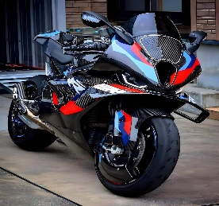



PURCHASE BY REGION
 | M | S
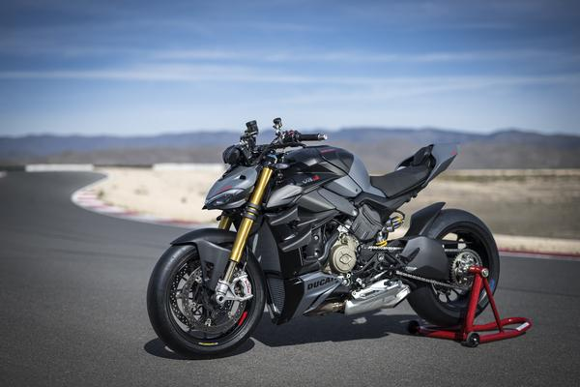
GENDER


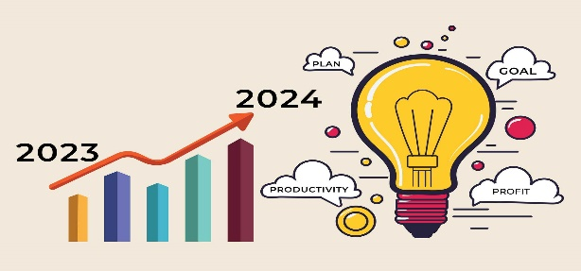

CHILDREN & INCOME
 | 10000-49999 | 50000-89999 | 90000-129999 | 130000-170000
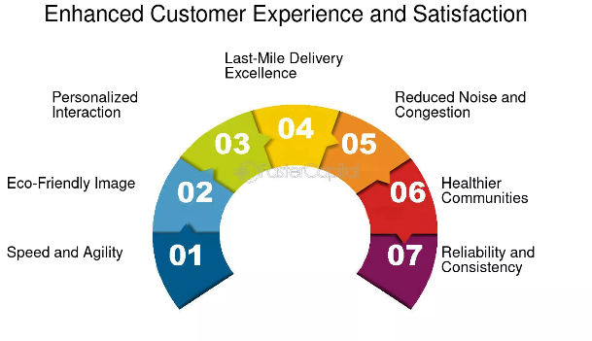

COMMUTE DISTANCE
PURCHASE BY CAR OWNED

SALES BY EDUCATION LEVEL
EDUCATION LEVEL

PURCHASE CAR OWNED PERSON
PURCHASE BY CAR OWNED

PURCHASE BY CHILD AND INCOME
CHILDREN & INCOME
 | 10000-49999 | 50000-89999 | 90000-129999 | 130000-170000

PURCHASE BY REGION & MARTIAL
PURCHASE BY REGION
 | M | S

PURCHASE BY AGE & OCCUPATION
AGE & OCCUPATION
 | Clerical | Management | Manual | Professional | Skilled Manual

SALES BY COMMUTE DISTANCE
COMMUTE DISTANCE

